Recipe Template
Standardized Recipe Template
Center Name
 |  |  |  |  |  |  | Entrée | Side
Recipe Name
 |  |  |  |  |  |  | Please Check One
Age Range |  | 1-2 | 3-5 | 6-18 | Adults | Total
Recipe Yield |  |  |  |  |  | 0
(The total amount of portions the recipe provides per age group)
Meat/Meat Alt. |  | 0 | 0 | 0 | 0 | Total ounces | Select Meat/Meat Alt.
 |  | 1 oz | 1.5 oz | 2 oz | 1.5 oz | 0

Vegetables |  | 0 | 0 | 0 | 0 | Total cups | Select Vegetable
 |  | 0.125 cup | 0.25 cup | 0.5 cup | 0.25 cup | 0

Fruits/Vegetables |  | 0 | 0 | 0 | 0 | Total cups | Select Fruit/Vegetable
 |  | 0.125 cup | 0.25 cup | 0.25 cup | 0.25 cup | 0

Grains |  | 0 | 0 | 0 | 0 | Total cups | Select Grain
 |  | 0.25 cup | 0.25 cup | 0.5 cup | 0.25 cup | 0

Other Ingredients:

Preparation Instructions:
1 |  | at |  | for

2

Recipe Conversions
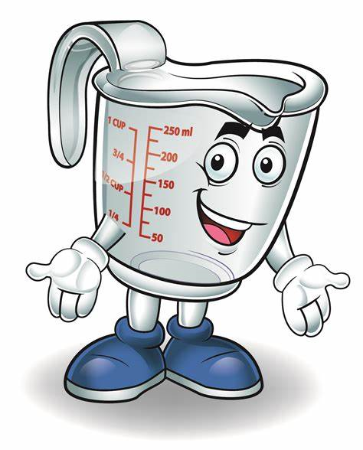
 |  | Ounces | Pounds
 | Meat/Meat Alt | 0.00 | 0.00

 |  | Cups | fl oz | Tbsp | Tsp
 | Vegetables | 0.00 | 0.00 | 0.00 | 0.00
 | Fruits | 0.00 | 0.00 | 0.00 | 0.00
 | Grains | 0.00 | 0.00 | 0.00 | 0.00

*Child Care Resources strongly suggest that each standardized recipe is tested for accuracy.

